正常終了_Normal
No.05
No.06
No.07
No.08
No.09
No.20

 | 前提条件

 | SELECT * FROM J_EDI_SND_DB_HAC a
 | WHERE a.DATA_KOKAN_ID = '000086'
 | AND a.EDI_KINO_CATEGORY_CD = 'A050'
 | AND a.EDI_SND_JOKYO_SBT = '0'
 | ORDER BY SND_SEQ_NO
 | SND_SEQ_NO | DATA_KOKAN_ID | EDI_KINO_CATEGORY_CD | SUP_CD | SUP_SOSHIKI_CD | HAN_CD | HAN_SOSHIKI_CD | HAN_HOMBU_CD | HAN_GROUP_CD | HAN_HONSHITEN_CD | HAN_EIGYOSHO_CD | HAC_INP_TANTO_CD | HAC_TANTO_NM | HAC_TANTO_FAX | ITEM_CD | HAC_FUNC_SBT | EDI_TRHK_JKN_NO | EDI_KEIYAKU_NO | EDI_TEKIYO_START_YMD | EDI_MK_TORIHIKI_KBN | EDI_MK_HACSHA_CD_SND | EDI_MK_JUC_CD_SND | EDI_MK_PAY_CD_SND | EDI_MK_SOSHIKI_CD | HAC_NO | HAC_GYO_NO | JUC_YMD | EDI_MK_JUC_NO | EDI_MK_JUC_GYO_NO | EDI_HAN_CHUMON_NO | EDI_MK_ATUKAITEN_CD | EDI_MK_JUYOKA_CD_SND | EDI_MK_JUYOKA_CD | EDI_MK_JUYOKA_NMK | EDI_MK_JUYOKA_NM | EDI_MK_JUYOKA_SHITEN_NM | EDI_MK_JUYOKA_ADDR1_KANJI | EDI_MK_JUYOKA_ADDR2_KANJI | EDI_MK_NIJITEN_CD_SND | EDI_MK_NIJITEN_CD | EDI_MK_NIJITEN_NMK | EDI_MK_NIJITEN_NM | EDI_MK_SANJITEN_CD_SND | EDI_MK_SANJITEN_CD | EDI_MK_SANJITEN_NMK | EDI_MK_SANJITEN_NM | EDI_MK_NNY_CD_SND | EDI_MK_NNY_CD | EDI_MK_NNY_NMK | EDI_MK_NNY_NM | EDI_MK_NNY_ADDRK | EDI_MK_NNY_ADDR | EDI_MK_NNY_SHISHA_NMK | EDI_MK_NNY_SHISHA_NM | EDI_MK_NNY_TODOFUKEN | EDI_MK_NNY_ADDR1 | EDI_MK_NNY_ADDR2 | EDI_MK_NNY_ZIP | EDI_MK_NNY_TEL | EDI_MK_NNY_FAX | EDI_MK_NNY_CHIKU_CD | KIBO_NOKI | HAC_SU | HAC_TANK | HAC_GAKU | EDI_KOSU | URI_TANK | URI_GAKU | SIR_UNIT_CD | EDI_MK_SIR_TANK | EDI_KOSEN_KBN | EDI_KOSEN_TANK | EDI_MK_ITEM_CD | EDI_MK_ITEM_NMK | EDI_MK_ITEM_NM_KANJI | EDI_HINSHU_CD | EDI_HINSHU_SUB_CD | EDI_ITEM_NM_TSUIKI | EDI_GRADE | EDI_COLOR_NO | EDI_YORYO_CD | EDI_YORYO | EDI_JUC_SU_UNIT_CD | EDI_MK_SU_UNIT_CD | EDI_MK_SU_UNIT_NM | EDI_MK_TANK_UNIT_CD | EDI_MK_TANK_UNIT_NM | EDI_MK_NISUGATA_CD | EDI_MK_NISUGATA_NM | EDI_MK_NISUGATA_NMK | EDI_NONYU_COMMENT | EDI_HAC_COMMENT | EDI_NOHIN_COMMENT | EDI_NOTE | EDI_TOKKI_JIKO | EDI_HAISO_SHIJI | EDI_RENRAKU_JIKO | EDI_NONYU_YOKEN | EDI_MK_INF | EDI_MK_JUC_INF | EDI_MK_UKEWATASHI_JOKEN_CD | EDI_KESSAI_JOKEN | EDI_KINKYU_ORDER_CD | EDI_YUSO_BIN_CD | EDI_RENRAKU_ZUMI_CD | EDI_NONYU_KIBO_TM_CD | EDI_NONYU_KIBO_TM_NM | EDI_NONYU_KIBO_TM_JOKEN_CD | EDI_LOT_NO_JOKEN_CD | EDI_LOT_KBN | EDI_LOT_NO | EDI_MK_DOM_EXP_KBN | EDI_SU_KAKUTEI_KBN | EDI_TANK_KBN | EDI_KAZEI_KBN | EDI_ORDER_KBN | EDI_BUNSEKIHYO_TEMPU_UMU_KBN | EDI_YOBI | EDI_YOBI_KANJI | IK_FREE_SPACE1 | IK_FREE_SPACE2 | IK_FREE_SPACE3 | IK_FREE_SPACE4 | IK_FREE_SPACE5 | IK_FREE_SPACE6 | IK_FREE_SPACE7 | IK_FREE_SPACE8 | IK_FREE_SPACE9 | IK_FREE_SPACE10 | ZENKAI_SND_DATA | REG_YMD | MOD_YMD | HAC_INP_TM | HAC_MOD_TM | EDI_SND_JOKYO_SBT | SND_DT | SND_DATA_DEL_KBN | FUNC_UKETSUKE_NO | AITE_SAKI_BETSU_DATA | DEL_KBN | CREATE_DT | CREATE_USR | CREATE_FUNC | NEW_UPDATE_DT | NEW_UPDATE_USR | NEW_UPDATE_FUNC | UPDATE_CNT
 | S100053680 | 000086 | A050 | 0000860009 | 14103 | 0006340001 | 14103 | 14 | 1 | 5 | 50 | 08024 |  |  | 0000029840 | 1 | 815791 | 815791 | 20110322 |  | 0369B |  | 0369B | ﾁ7ｻ | B0034455 | 1 | 20110506 |  |  |  |  | CI94A | CI94A |  | ■■化■■業■ |  |  |  | 8359C | 8359C |  | ■■井■■ |  |  |  |  |  | 9773A |  | ■■化■■ ■■井■■ |  | ■■県■■井■■幸■■－■■２■ |  |  |  |  |  | 11611 | 1161111121 |  |  | 20110511 | 300 | 349 | 104700 | 12 | 356.25 | 106875 | KG | 0 |  | 0 | SANC-I-D | XXNXX XX-XX |  |  |  | XXDXX2XX5X | 52485Z | 52485Z |  | 25 |  | 2 | キログラム | 2 |  | 11 | １１ 紙袋 |  |  | 午前着希望 |  |  |  |  |  |  |  |  | 1 |  | N |  |  |  |  |  |  | 1 |  |  |  |  |  |  |  |  |  |  |  |  |  |  |  |  |  |  |  |  | 20110506 |  | 093746 |  | 0 |  |  | 631201 | JPCA0102S151010191300011050483200000115101250728182359 0369B 0369B 815791 000000B0034455011105060937 午前着希望 0000000000000000 XXNXX XX-XX CI94A ■■化■■業■ 8359C ■■井■■ 000000000000 000000 0000000000000 00000000000000000000000000 000000000000000000000000009773A ■■化■■ ■■井■■ ■■県■■井■■幸■■－■■２■ 11611 1161111121 1105110000 000000 | 0 | 2011/05/06 09:37:46 | 08024 | SAAW0701Scrn02_ＯＫ_BL | 2025/07/28 18:23:59 | EDI | A050_J031 | 1
 | S100053683 | 000086 | A050 | 0000860009 | 14103 | 0006340001 | 14103 | 14 | 1 | 5 | 50 | 08024 |  |  | 0000029840 | 1 | 815791 | 815791 | 20110322 |  | 0369B |  | 0369B | ﾁ7ｻ | B0034459 | 1 | 20110506 |  |  |  |  | CI94A | CI94A |  | ■■化■■業■ |  |  |  | 8359C | 8359C |  | ■■井■■ |  |  |  |  |  | AUJ1A |  | ■■化■■業■ |  | ■■県■■市■■２■■－■ |  |  |  |  |  | 11411 | 1161141131 |  |  | 20110511 | 300 | 349 | 104700 | 12 | 356.25 | 106875 | KG | 0 |  | 0 | SANC-I-D | XXNXX XX-XX |  |  |  | XXDXX2XX5X | 52485Z | 52485Z |  | 25 |  | 2 | キログラム | 2 |  | 11 | １１ 紙袋 |  |  | 午前着希望 |  |  |  |  |  |  |  |  | 1 |  | N |  |  |  |  |  |  | 1 |  |  |  |  |  |  |  |  |  |  |  |  |  |  |  |  |  |  |  |  | 20110506 |  | 093918 |  | 0 |  |  | 631201 | JPCA0102S151010191300011050483200000115101250728182359 0369B 0369B 815791 000000B0034459011105060939 午前着希望 0000000000000000 XXNXX XX-XX CI94A ■■化■■業■ 8359C ■■井■■ 000000000000 000000 0000000000000 00000000000000000000000000 00000000000000000000000000AUJ1A ■■化■■業■ ■■県■■市■■２■■－■ 11411 1161141131 1105110000 000000 | 0 | 2011/05/06 09:39:18 | 08024 | SAAW0701Scrn02_ＯＫ_BL | 2025/07/28 18:23:59 | EDI | A050_J031 | 1
 | S100053684 | 000086 | A050 | 0000860009 | 14103 | 0006340001 | 14103 | 14 | 1 | 5 | 50 | 08024 |  |  | 0000029561 | 1 | 837647 | 837647 | 20110322 |  | 0369B |  | 0369B | ﾁ7ｻ | B003445C | 1 | 20110506 |  |  |  |  | CI94A | CI94A |  | ■■化■■業■ |  |  |  | 8359C | 8359C |  | ■■井■■ |  |  |  |  |  | AUJ1A |  | ■■化■■業■ |  | ■■県■■市■■２■■－■ |  |  |  |  |  | 11411 | 1161141131 |  |  | 20110513 | 450 | 418 | 188100 | 18 | 427.5 | 192375 | KG | 0 |  | 0 | V1-250E-3 | XXXXX5XX XX |  |  |  | XX XX8XXZ | 10802Z | 10802Z |  | 25 |  | 2 | キログラム | 2 |  | 11 | １１ 紙袋 |  |  |  |  |  |  |  |  |  |  |  | 1 |  | N |  |  |  |  |  |  | 1 |  |  |  |  |  |  |  |  |  |  |  |  |  |  |  |  |  |  |  |  | 20110506 |  | 094028 |  | 0 |  |  | 631201 | JPCA0102S151010191300011050483200000115101250728182359 0369B 0369B 837647 000000B003445C011105060940 0000000000000000 XXXXX5XX XX CI94A ■■化■■業■ 8359C ■■井■■ 000000000000 000000 0000000000000 00000000000000000000000000 00000000000000000000000000AUJ1A ■■化■■業■ ■■県■■市■■２■■－■ 11411 1161141131 1105130000 000000 | 0 | 2011/05/06 09:40:28 | 08024 | SAAW0701Scrn02_ＯＫ_BL | 2025/07/28 18:23:59 | EDI | A050_J031 | 1
 | S100053716 | 000086 | A050 | 0000860009 | 14103 | 0046170002 | 14303 | 14 | 7 | 5 | 50 | 08024 |  |  | 0000029394 | 1 | 870089 | 870089 | 20110401 |  | 0369B |  | 0369B | ﾁ7ｻ | B00344A2 | 1 | 20110506 |  |  | 0Y349333 |  | IG98D | IG98D |  | ■■モ■■穂■■第■■場 |  |  |  |  |  |  |  |  |  |  |  |  | VM77A |  | ■■ノ■■㈱■■橋■■ |  | ■■県■■市■■相■■９■ |  |  |  |  |  | 11111 | 1131121161 |  |  | 20110516 | 25 | 352 | 8800 | 1 | 367 | 9175 | KG | 0 |  | 0 | XT01CP | XX XX |  |  |  | XX0XX0 | 920100 | 920100 |  | 25 |  | 2 | キログラム | 2 |  | 11 | １１ 紙袋 |  |  |  |  |  |  |  |  |  |  |  | 1 |  | N |  |  |  |  |  |  | 1 |  |  |  |  |  |  |  |  |  |  |  |  |  |  |  |  |  |  |  |  | 20110506 |  | 102943 |  | 0 |  |  | 631201 | JPCA0102S151010191300011050483200000115101250728182359 0369B 0369B 870089 000000B00344A2011105061029 0000000000000000 XX XX IG98D ■■モ■■穂■■第■■場 0Y349333 000000000000 000000 0000000000000 00000000000000000000000000 00000000000000000000000000VM77A ■■ノ■■㈱■■橋■■ ■■県■■市■■相■■９■ 11111 1131121161 1105160000 000000 | 0 | 2011/05/06 10:29:43 | 08024 | SAAW0701Scrn02_ＯＫ_BL | 2025/07/28 18:23:59 | EDI | A050_J031 | 1
 | S100053720 | 000086 | A050 | 0000860004 | 14102 | 0021620012 | 14102 | 14 | 1 | 7 | 30 | 92027 |  | 0525713911 | 0000029334 | 1 | 905100 | 905100 | 20110201 |  | 0369A |  | 0369A | ﾁ7ｻ | B00344AE | 1 | 20110506 |  |  | 2258338 |  | 8878A | 8878A |  | ■■ザ■■工 |  |  |  | 2627C | 2627C |  | ■■商■■大■■店 |  |  |  |  |  | 8878A |  | ■■ザ■■工 |  | ■■県■■部■■輪■■８■■ |  |  |  |  |  | 11211 | 1161111121 |  |  | 20110523 | 800 | 510 | 408000 | 32 | 520.48 | 416384 | KG | 0 |  | 0 | F5350D1N | XXSXX5XX0XX1 |  |  |  | XX XX |  | N |  | 25 |  | 2 | キログラム | 2 |  | 11 | １１ 紙袋 |  |  |  |  |  |  |  |  |  |  |  | 1 |  | N |  |  |  |  |  |  | 1 |  |  |  |  |  |  |  |  |  |  |  |  |  |  |  |  |  |  |  |  | 20110506 |  | 103739 |  | 0 |  |  | 631201 | JPCA0102S151010191300011050483200000115101250728182359 0369A 0369A 905100 000000B00344AE011105061037 0000000000000000 XXSXX5XX0XX1 8878A ■■ザ■■工 2258338 2627C ■■商■■大■■店 000000000000 000000 0000000000000 00000000000000000000000000 000000000000000000000000008878A ■■ザ■■工 ■■県■■部■■輪■■８■■ 11211 1161111121 1105230000 000000 | 0 | 2011/05/06 10:37:39 | 92027 | SAAW0701Scrn02_ＯＫ_BL | 2025/07/28 18:23:59 | EDI | A050_J031 | 1
 | S100053733 | 000086 | A050 | 0000860001 | 14301 | 0081450001 | 14301 | 14 | 3 | 3 | 10 | 04010 |  |  | 0000029521 | 1 | 606430 | 606430 | 20110310 |  | 0369C |  | 0369C | ﾁ6ｻ | B00344D4 | 1 | 20110506 |  |  | IS0501 |  | DY86A | DY86A |  | ■■化■■業■ |  |  |  |  |  |  |  |  |  |  |  |  | LJ32A |  | ■■化■■ |  | ■■県■■山■■石■■今■■１■■ |  |  |  |  |  | 11911 | 1131131151 |  |  | 20110512 | 600 | 444 | 266400 | 24 | 505 | 303000 | KG | 0 |  | 0 | 330 | XXSXX3X |  |  |  | XX0XX0 | STD | MH0850 |  | 25 |  | 2 | キログラム | 2 |  | 11 | １１ 紙袋 |  |  |  |  |  |  |  |  |  |  |  | 1 |  | N |  |  |  |  |  |  | 1 |  |  |  |  |  |  |  |  |  |  |  |  |  |  |  |  |  |  |  |  | 20110506 |  | 105700 |  | 0 |  |  | 631201 | JPCA0102S151010191300011050483200000115101250728182359 0369C 0369C 606430 000000B00344D4011105061057 0000000000000000 XXSXX3X DY86A ■■化■■業■ IS0501 000000000000 000000 0000000000000 00000000000000000000000000 00000000000000000000000000LJ32A ■■化■■ ■■県■■山■■石■■今■■１■■ 11911 1131131151 1105120000 000000 | 0 | 2011/05/06 10:57:00 | 04010 | SAAW0701Scrn02_ＯＫ_BL | 2025/07/28 18:23:59 | EDI | A050_J031 | 1

 | 実施

 | ジョブネット実行→ 終了コード"0"で終了 |  | /Job Net Execution→ Terminates with Exit Code "0"
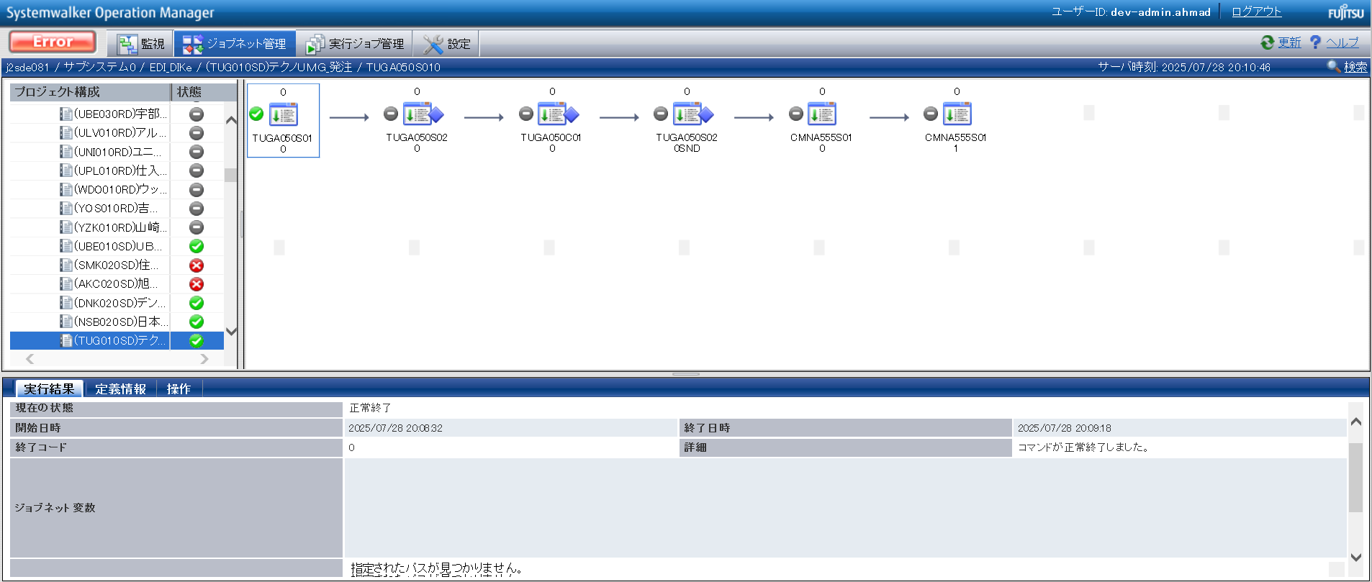

確認観点 ① /Confirmation viewpoint ①
/Systemwalker終了コード"0"で終了を確認。
/Confirmed termination with Systemwalker exit code "0".

No.20 OK

 | パラメータファイルが作成されている |  | /Parameter files are created

確認観点① /Confirmation viewpoint ①
指定したパスに生成される「p_t_TUG_発注_010.param」, 「p_t_TUG_発注_020.param」のパス。
/Path of "p_t_TUG_発注_010.param","p_t_TUG_発注_020.param", generated at specified path.

No.05 OK

 | p_t_TUG_発注_010.param
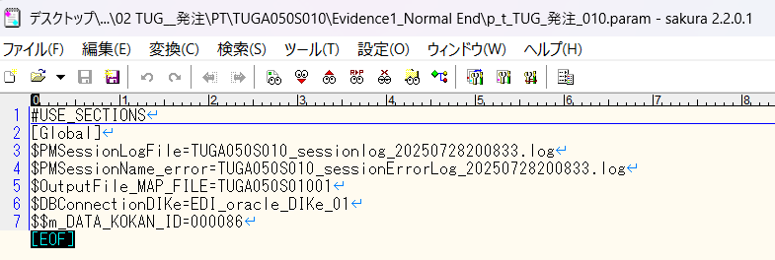

確認観点 ② /Confirmation viewpoint ②
/詳細が正しいことを確認しました。
/Confirmed the details are correct.

No.06 OK
No.07 OK
No.09 OK

 | p_t_TUG_発注_020.param
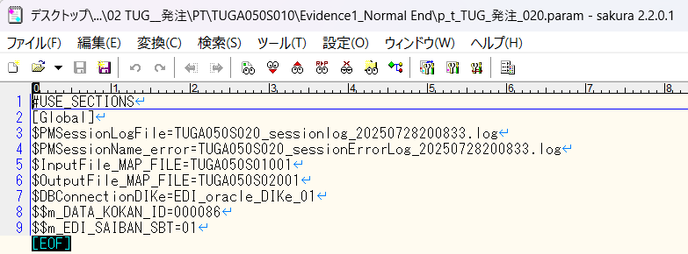

確認観点 ② /Confirmation viewpoint ②
/詳細が正しいことを確認しました。
/Confirmed the details are correct.

No.06 OK
No.07 OK
No.09 OK

No.08 OK | ファイルが作成されている |  | /The file is created

No.13

 | 前提条件

 | [No.13_データ入力]シートを参照

 | 実施

 | SELECT *
 | FROM v$locked_object lo
 | JOIN dba_objects ao ON lo.object_id = ao.object_id
 | JOIN v$session s ON lo.session_id = s.sid;
 | XIDUSN | XIDSLOT | XIDSQN | OBJECT_ID | SESSION_ID | ORACLE_USERNAME | OS_USER_NAME | PROCESS | LOCKED_MODE | CON_ID | OWNER | OBJECT_NAME | SUBOBJECT_NAME | OBJECT_ID_1 | DATA_OBJECT_ID | OBJECT_TYPE | CREATED | LAST_DDL_TIME | TIMESTAMP | STATUS | TEMPORARY | GENERATED | SECONDARY | NAMESPACE | EDITION_NAME | SHARING | EDITIONABLE | ORACLE_MAINTAINED | APPLICATION | DEFAULT_COLLATION | DUPLICATED | SHARDED | CREATED_APPID | CREATED_VSNID | MODIFIED_APPID | MODIFIED_VSNID | SADDR | SID | SERIAL# | AUDSID | PADDR | USER# | USERNAME | COMMAND | OWNERID | TADDR | LOCKWAIT | STATUS_1 | SERVER | SCHEMA# | SCHEMANAME | OSUSER | PROCESS_1 | MACHINE | PORT | TERMINAL | PROGRAM | TYPE | SQL_ADDRESS | SQL_HASH_VALUE | SQL_ID | SQL_CHILD_NUMBER | SQL_EXEC_START | SQL_EXEC_ID | PREV_SQL_ADDR | PREV_HASH_VALUE | PREV_SQL_ID | PREV_CHILD_NUMBER | PREV_EXEC_START | PREV_EXEC_ID | PLSQL_ENTRY_OBJECT_ID | PLSQL_ENTRY_SUBPROGRAM_ID | PLSQL_OBJECT_ID | PLSQL_SUBPROGRAM_ID | MODULE | MODULE_HASH | ACTION | ACTION_HASH | CLIENT_INFO | FIXED_TABLE_SEQUENCE | ROW_WAIT_OBJ# | ROW_WAIT_FILE# | ROW_WAIT_BLOCK# | ROW_WAIT_ROW# | TOP_LEVEL_CALL# | LOGON_TIME | LAST_CALL_ET | PDML_ENABLED | FAILOVER_TYPE | FAILOVER_METHOD | FAILED_OVER | RESOURCE_CONSUMER_GROUP | PDML_STATUS | PDDL_STATUS | PQ_STATUS | CURRENT_QUEUE_DURATION | CLIENT_IDENTIFIER | BLOCKING_SESSION_STATUS | BLOCKING_INSTANCE | BLOCKING_SESSION | FINAL_BLOCKING_SESSION_STATUS | FINAL_BLOCKING_INSTANCE | FINAL_BLOCKING_SESSION | SEQ# | EVENT# | EVENT | P1TEXT | P1 | P1RAW | P2TEXT | P2 | P2RAW | P3TEXT | P3 | P3RAW | WAIT_CLASS_ID | WAIT_CLASS# | WAIT_CLASS | WAIT_TIME | SECONDS_IN_WAIT | STATE | WAIT_TIME_MICRO | TIME_REMAINING_MICRO | TIME_SINCE_LAST_WAIT_MICRO | SERVICE_NAME | SQL_TRACE | SQL_TRACE_WAITS | SQL_TRACE_BINDS | SQL_TRACE_PLAN_STATS | SESSION_EDITION_ID | CREATOR_ADDR | CREATOR_SERIAL# | ECID | SQL_TRANSLATION_PROFILE_ID | PGA_TUNABLE_MEM | SHARD_DDL_STATUS | CON_ID_1 | EXTERNAL_NAME | PLSQL_DEBUGGER_CONNECTED
 | 7 | 19 | 1367848 | 279006 | 49 | DEV3ITUSER | UNKNOWN_USER | 14044:8208 | 3 | 0 | DEV3ITUSER | M_EDI_SAIBAN |  | 279006 | 279006 | TABLE | 8/21/19 | 8/22/19 | 2019-08-21:21:13:39 | VALID | N | N | N | 1 |  | NONE |  | N | N | USING_NLS_COMP | N | N |  |  |  |  | 00007FFA82942E68 | 49 | 31727 | 821260783 | 00007FFA8231A098 | 180 | DEV3ITUSER | 0 | 2147483644 | 00007FFA7B692098 |  | INACTIVE | DEDICATED | 180 | DEV3ITUSER | UNKNOWN_USER | 14044:8208 | adev\j2sde081 | 62431 | j2sde081 | ORACLE.EXE (SHAD) | USER | 00 | 0 |  |  |  |  | 00007FFA6FCC2700 | 3246600649 | cfck2ar0s6cf9 | 0 | 7/29/25 | 16777223 |  |  |  |  | ORACLE.EXE (SHAD) | 2745123229 |  | 0 |  | 11632294 | -1 | 0 | 0 | 0 | 94 | 7/29/25 | 1 | NO | NONE | NONE | NO | OTHER_GROUPS | DISABLED | DISABLED | DISABLED | 0 |  | NO HOLDER |  |  | UNKNOWN |  |  | 30 | 418 | SQL*Net message from client | driver id | 675562835 | 0000000028444553 | #bytes | 1 | 0000000000000001 |  | 0 | 00 | 2723168908 | 6 | Idle | 0 | 0 | WAITING | 79705 | -1 | 0 | j2sde034.adev.local | DISABLED | FALSE | FALSE | FIRST EXEC | 133 | 00007FFA8231A098 | 114 |  | 0 | 0 | DISABLED | 0 |  | FALSE
 | 2 | 21 | 1678168 | 279428 | 45 | DEV3ITUSER | UNKNOWN_USER | 14044:8208 | 3 | 0 | DEV3ITUSER | J_EDI_SND_DB_HAC |  | 279428 | 279428 | TABLE | 8/21/19 | 8/22/19 | 2019-08-21:21:15:49 | VALID | N | N | N | 1 |  | NONE |  | N | N | USING_NLS_COMP | N | N |  |  |  |  | 00007FFA8294C548 | 45 | 13514 | 821260784 | 00007FFA8231C248 | 180 | DEV3ITUSER | 0 | 2147483644 | 00007FFA7B75E828 |  | INACTIVE | DEDICATED | 180 | DEV3ITUSER | UNKNOWN_USER | 14044:8208 | adev\j2sde081 | 62433 | j2sde081 | ORACLE.EXE (SHAD) | USER | 00 | 0 |  |  |  |  | 00007FFA6D314D58 | 2726359559 | 7ws9mp6j81wh7 | 0 | 7/29/25 | 16785836 |  |  |  |  | ORACLE.EXE (SHAD) | 2745123229 |  | 0 |  | 11632294 | -1 | 0 | 0 | 0 | 94 | 7/29/25 | 0 | NO | NONE | NONE | NO | OTHER_GROUPS | DISABLED | DISABLED | DISABLED | 0 |  | NO HOLDER |  |  | UNKNOWN |  |  | 54 | 418 | SQL*Net message from client | driver id | 675562835 | 0000000028444553 | #bytes | 1 | 0000000000000001 |  | 0 | 00 | 2723168908 | 6 | Idle | 0 | 0 | WAITING | 74 | -1 | 0 | j2sde034.adev.local | DISABLED | FALSE | FALSE | FIRST EXEC | 133 | 00007FFA8231C248 | 206 |  | 0 | 0 | DISABLED | 0 |  | FALSE

No.14
No.15
No.16

 | 前提条件

 | 特になし。 | /NA

 | 実施

 | バッチログが出力されている /Batch log is output

 | TUGA050S010.20250728200833.log
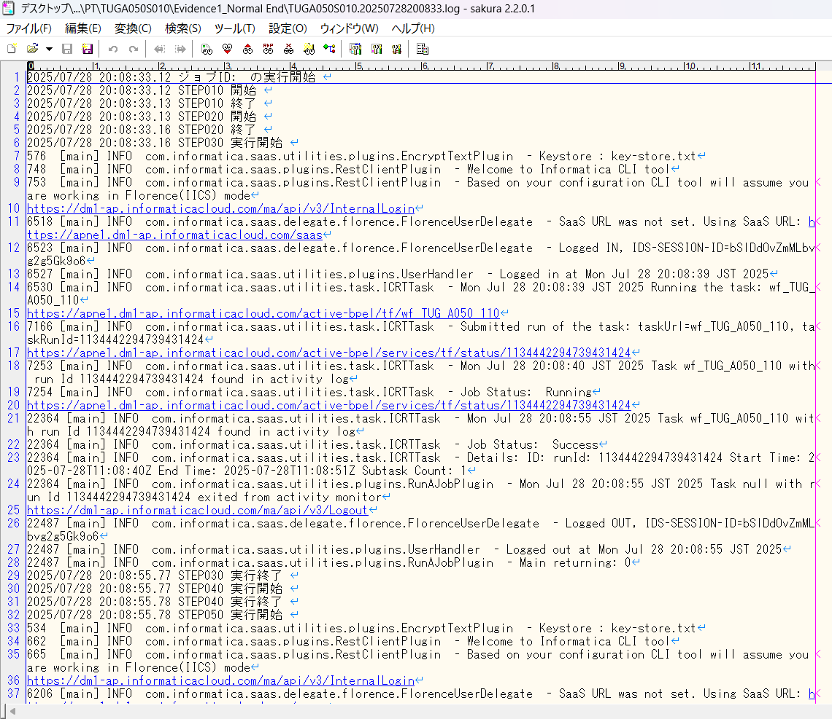

確認観点① /Confirmation viewpoint ①
以下の情報が出力されている
・開始メッセージ
・ステップメッセージ
・終了メッセージ
/The following information is output
・Start message
・Step message
・Completion message

 | セッションログが出力されている/Session log is output
 | セッションインポートログが出力されている/Session import log is output

No.14 OK
No.15 OK
No.16 OK

No.30
No.32
No.33

 | 前提条件

 | 特になし。 | /NA

 | 実施

 | ・対象データの件数 = 連携ファイル(DNKA130S02001)の出力件数 であること |  |  |  | /Number of target data = Number of output files (DNKA130S02001)

 | TUGA050S01001

 | TUGA050S02001

No.30 OK
No.32 OK
No.33 OK

No.34
No.35
No.39

 | 前提条件

 | 特になし。 | /N/A

 | 実施

 | TUG_発注_連携ファイル出力確認.xlsx 参照
No.34 OK
No.35 OK
No.39 OK

No.40
No.41
No.42
No.43
No.44

 | 前提条件

 | 特になし。 | /N/A

 | 実施

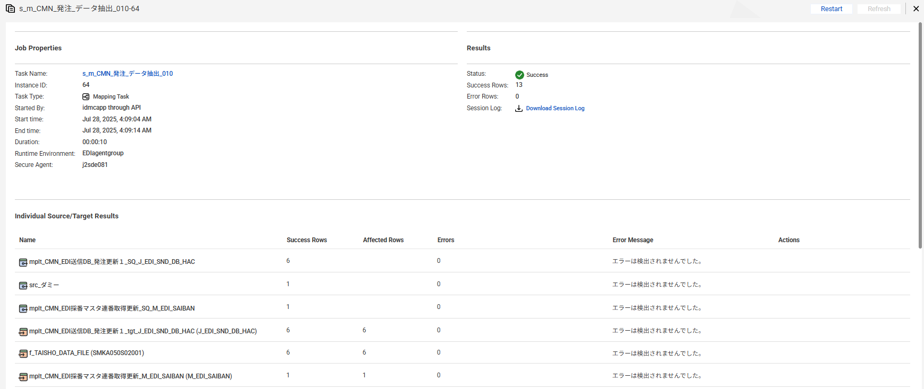

No.40 OK
No.41 OK

 | EDI送信DB_発注を取得
 | 【実行前】
 | SELECT * FROM J_EDI_SND_DB_HAC a
 | WHERE a.DATA_KOKAN_ID = '000086'
 | AND a.EDI_KINO_CATEGORY_CD = 'A050'
 | AND a.EDI_SND_JOKYO_SBT = '0'
 | ORDER BY SND_SEQ_NO
 | SND_SEQ_NO | DATA_KOKAN_ID | EDI_KINO_CATEGORY_CD | SUP_CD | SUP_SOSHIKI_CD | HAN_CD | HAN_SOSHIKI_CD | HAN_HOMBU_CD | HAN_GROUP_CD | HAN_HONSHITEN_CD | HAN_EIGYOSHO_CD | HAC_INP_TANTO_CD | HAC_TANTO_NM | HAC_TANTO_FAX | ITEM_CD | HAC_FUNC_SBT | EDI_TRHK_JKN_NO | EDI_KEIYAKU_NO | EDI_TEKIYO_START_YMD | EDI_MK_TORIHIKI_KBN | EDI_MK_HACSHA_CD_SND | EDI_MK_JUC_CD_SND | EDI_MK_PAY_CD_SND | EDI_MK_SOSHIKI_CD | HAC_NO | HAC_GYO_NO | JUC_YMD | EDI_MK_JUC_NO | EDI_MK_JUC_GYO_NO | EDI_HAN_CHUMON_NO | EDI_MK_ATUKAITEN_CD | EDI_MK_JUYOKA_CD_SND | EDI_MK_JUYOKA_CD | EDI_MK_JUYOKA_NMK | EDI_MK_JUYOKA_NM | EDI_MK_JUYOKA_SHITEN_NM | EDI_MK_JUYOKA_ADDR1_KANJI | EDI_MK_JUYOKA_ADDR2_KANJI | EDI_MK_NIJITEN_CD_SND | EDI_MK_NIJITEN_CD | EDI_MK_NIJITEN_NMK | EDI_MK_NIJITEN_NM | EDI_MK_SANJITEN_CD_SND | EDI_MK_SANJITEN_CD | EDI_MK_SANJITEN_NMK | EDI_MK_SANJITEN_NM | EDI_MK_NNY_CD_SND | EDI_MK_NNY_CD | EDI_MK_NNY_NMK | EDI_MK_NNY_NM | EDI_MK_NNY_ADDRK | EDI_MK_NNY_ADDR | EDI_MK_NNY_SHISHA_NMK | EDI_MK_NNY_SHISHA_NM | EDI_MK_NNY_TODOFUKEN | EDI_MK_NNY_ADDR1 | EDI_MK_NNY_ADDR2 | EDI_MK_NNY_ZIP | EDI_MK_NNY_TEL | EDI_MK_NNY_FAX | EDI_MK_NNY_CHIKU_CD | KIBO_NOKI | HAC_SU | HAC_TANK | HAC_GAKU | EDI_KOSU | URI_TANK | URI_GAKU | SIR_UNIT_CD | EDI_MK_SIR_TANK | EDI_KOSEN_KBN | EDI_KOSEN_TANK | EDI_MK_ITEM_CD | EDI_MK_ITEM_NMK | EDI_MK_ITEM_NM_KANJI | EDI_HINSHU_CD | EDI_HINSHU_SUB_CD | EDI_ITEM_NM_TSUIKI | EDI_GRADE | EDI_COLOR_NO | EDI_YORYO_CD | EDI_YORYO | EDI_JUC_SU_UNIT_CD | EDI_MK_SU_UNIT_CD | EDI_MK_SU_UNIT_NM | EDI_MK_TANK_UNIT_CD | EDI_MK_TANK_UNIT_NM | EDI_MK_NISUGATA_CD | EDI_MK_NISUGATA_NM | EDI_MK_NISUGATA_NMK | EDI_NONYU_COMMENT | EDI_HAC_COMMENT | EDI_NOHIN_COMMENT | EDI_NOTE | EDI_TOKKI_JIKO | EDI_HAISO_SHIJI | EDI_RENRAKU_JIKO | EDI_NONYU_YOKEN | EDI_MK_INF | EDI_MK_JUC_INF | EDI_MK_UKEWATASHI_JOKEN_CD | EDI_KESSAI_JOKEN | EDI_KINKYU_ORDER_CD | EDI_YUSO_BIN_CD | EDI_RENRAKU_ZUMI_CD | EDI_NONYU_KIBO_TM_CD | EDI_NONYU_KIBO_TM_NM | EDI_NONYU_KIBO_TM_JOKEN_CD | EDI_LOT_NO_JOKEN_CD | EDI_LOT_KBN | EDI_LOT_NO | EDI_MK_DOM_EXP_KBN | EDI_SU_KAKUTEI_KBN | EDI_TANK_KBN | EDI_KAZEI_KBN | EDI_ORDER_KBN | EDI_BUNSEKIHYO_TEMPU_UMU_KBN | EDI_YOBI | EDI_YOBI_KANJI | IK_FREE_SPACE1 | IK_FREE_SPACE2 | IK_FREE_SPACE3 | IK_FREE_SPACE4 | IK_FREE_SPACE5 | IK_FREE_SPACE6 | IK_FREE_SPACE7 | IK_FREE_SPACE8 | IK_FREE_SPACE9 | IK_FREE_SPACE10 | ZENKAI_SND_DATA | REG_YMD | MOD_YMD | HAC_INP_TM | HAC_MOD_TM | EDI_SND_JOKYO_SBT | SND_DT | SND_DATA_DEL_KBN | FUNC_UKETSUKE_NO | AITE_SAKI_BETSU_DATA | DEL_KBN | CREATE_DT | CREATE_USR | CREATE_FUNC | NEW_UPDATE_DT | NEW_UPDATE_USR | NEW_UPDATE_FUNC | UPDATE_CNT
 | S100053680 | 000086 | A050 | 0000860009 | 14103 | 0006340001 | 14103 | 14 | 1 | 5 | 50 | 08024 |  |  | 0000029840 | 1 | 815791 | 815791 | 20110322 |  | 0369B |  | 0369B | ﾁ7ｻ | B0034455 | 1 | 20110506 |  |  |  |  | CI94A | CI94A |  | ■■化■■業■ |  |  |  | 8359C | 8359C |  | ■■井■■ |  |  |  |  |  | 9773A |  | ■■化■■ ■■井■■ |  | ■■県■■井■■幸■■－■■２■ |  |  |  |  |  | 11611 | 1161111121 |  |  | 20110511 | 300 | 349 | 104700 | 12 | 356.25 | 106875 | KG | 0 |  | 0 | SANC-I-D | XXNXX XX-XX |  |  |  | XXDXX2XX5X | 52485Z | 52485Z |  | 25 |  | 2 | キログラム | 2 |  | 11 | １１ 紙袋 |  |  | 午前着希望 |  |  |  |  |  |  |  |  | 1 |  | N |  |  |  |  |  |  | 1 |  |  |  |  |  |  |  |  |  |  |  |  |  |  |  |  |  |  |  |  | 20110506 |  | 093746 |  | 0 |  |  | 631201 | JPCA0102S151010191300011050483200000115101250728182359 0369B 0369B 815791 000000B0034455011105060937 午前着希望 0000000000000000 XXNXX XX-XX CI94A ■■化■■業■ 8359C ■■井■■ 000000000000 000000 0000000000000 00000000000000000000000000 000000000000000000000000009773A ■■化■■ ■■井■■ ■■県■■井■■幸■■－■■２■ 11611 1161111121 1105110000 000000 | 0 | 2011/05/06 09:37:46 | 08024 | SAAW0701Scrn02_ＯＫ_BL | 2025/07/28 18:23:59 | EDI | A050_J031 | 1
 | S100053683 | 000086 | A050 | 0000860009 | 14103 | 0006340001 | 14103 | 14 | 1 | 5 | 50 | 08024 |  |  | 0000029840 | 1 | 815791 | 815791 | 20110322 |  | 0369B |  | 0369B | ﾁ7ｻ | B0034459 | 1 | 20110506 |  |  |  |  | CI94A | CI94A |  | ■■化■■業■ |  |  |  | 8359C | 8359C |  | ■■井■■ |  |  |  |  |  | AUJ1A |  | ■■化■■業■ |  | ■■県■■市■■２■■－■ |  |  |  |  |  | 11411 | 1161141131 |  |  | 20110511 | 300 | 349 | 104700 | 12 | 356.25 | 106875 | KG | 0 |  | 0 | SANC-I-D | XXNXX XX-XX |  |  |  | XXDXX2XX5X | 52485Z | 52485Z |  | 25 |  | 2 | キログラム | 2 |  | 11 | １１ 紙袋 |  |  | 午前着希望 |  |  |  |  |  |  |  |  | 1 |  | N |  |  |  |  |  |  | 1 |  |  |  |  |  |  |  |  |  |  |  |  |  |  |  |  |  |  |  |  | 20110506 |  | 093918 |  | 0 |  |  | 631201 | JPCA0102S151010191300011050483200000115101250728182359 0369B 0369B 815791 000000B0034459011105060939 午前着希望 0000000000000000 XXNXX XX-XX CI94A ■■化■■業■ 8359C ■■井■■ 000000000000 000000 0000000000000 00000000000000000000000000 00000000000000000000000000AUJ1A ■■化■■業■ ■■県■■市■■２■■－■ 11411 1161141131 1105110000 000000 | 0 | 2011/05/06 09:39:18 | 08024 | SAAW0701Scrn02_ＯＫ_BL | 2025/07/28 18:23:59 | EDI | A050_J031 | 1
 | S100053684 | 000086 | A050 | 0000860009 | 14103 | 0006340001 | 14103 | 14 | 1 | 5 | 50 | 08024 |  |  | 0000029561 | 1 | 837647 | 837647 | 20110322 |  | 0369B |  | 0369B | ﾁ7ｻ | B003445C | 1 | 20110506 |  |  |  |  | CI94A | CI94A |  | ■■化■■業■ |  |  |  | 8359C | 8359C |  | ■■井■■ |  |  |  |  |  | AUJ1A |  | ■■化■■業■ |  | ■■県■■市■■２■■－■ |  |  |  |  |  | 11411 | 1161141131 |  |  | 20110513 | 450 | 418 | 188100 | 18 | 427.5 | 192375 | KG | 0 |  | 0 | V1-250E-3 | XXXXX5XX XX |  |  |  | XX XX8XXZ | 10802Z | 10802Z |  | 25 |  | 2 | キログラム | 2 |  | 11 | １１ 紙袋 |  |  |  |  |  |  |  |  |  |  |  | 1 |  | N |  |  |  |  |  |  | 1 |  |  |  |  |  |  |  |  |  |  |  |  |  |  |  |  |  |  |  |  | 20110506 |  | 094028 |  | 0 |  |  | 631201 | JPCA0102S151010191300011050483200000115101250728182359 0369B 0369B 837647 000000B003445C011105060940 0000000000000000 XXXXX5XX XX CI94A ■■化■■業■ 8359C ■■井■■ 000000000000 000000 0000000000000 00000000000000000000000000 00000000000000000000000000AUJ1A ■■化■■業■ ■■県■■市■■２■■－■ 11411 1161141131 1105130000 000000 | 0 | 2011/05/06 09:40:28 | 08024 | SAAW0701Scrn02_ＯＫ_BL | 2025/07/28 18:23:59 | EDI | A050_J031 | 1
 | S100053716 | 000086 | A050 | 0000860009 | 14103 | 0046170002 | 14303 | 14 | 7 | 5 | 50 | 08024 |  |  | 0000029394 | 1 | 870089 | 870089 | 20110401 |  | 0369B |  | 0369B | ﾁ7ｻ | B00344A2 | 1 | 20110506 |  |  | 0Y349333 |  | IG98D | IG98D |  | ■■モ■■穂■■第■■場 |  |  |  |  |  |  |  |  |  |  |  |  | VM77A |  | ■■ノ■■㈱■■橋■■ |  | ■■県■■市■■相■■９■ |  |  |  |  |  | 11111 | 1131121161 |  |  | 20110516 | 25 | 352 | 8800 | 1 | 367 | 9175 | KG | 0 |  | 0 | XT01CP | XX XX |  |  |  | XX0XX0 | 920100 | 920100 |  | 25 |  | 2 | キログラム | 2 |  | 11 | １１ 紙袋 |  |  |  |  |  |  |  |  |  |  |  | 1 |  | N |  |  |  |  |  |  | 1 |  |  |  |  |  |  |  |  |  |  |  |  |  |  |  |  |  |  |  |  | 20110506 |  | 102943 |  | 0 |  |  | 631201 | JPCA0102S151010191300011050483200000115101250728182359 0369B 0369B 870089 000000B00344A2011105061029 0000000000000000 XX XX IG98D ■■モ■■穂■■第■■場 0Y349333 000000000000 000000 0000000000000 00000000000000000000000000 00000000000000000000000000VM77A ■■ノ■■㈱■■橋■■ ■■県■■市■■相■■９■ 11111 1131121161 1105160000 000000 | 0 | 2011/05/06 10:29:43 | 08024 | SAAW0701Scrn02_ＯＫ_BL | 2025/07/28 18:23:59 | EDI | A050_J031 | 1
 | S100053720 | 000086 | A050 | 0000860004 | 14102 | 0021620012 | 14102 | 14 | 1 | 7 | 30 | 92027 |  | 0525713911 | 0000029334 | 1 | 905100 | 905100 | 20110201 |  | 0369A |  | 0369A | ﾁ7ｻ | B00344AE | 1 | 20110506 |  |  | 2258338 |  | 8878A | 8878A |  | ■■ザ■■工 |  |  |  | 2627C | 2627C |  | ■■商■■大■■店 |  |  |  |  |  | 8878A |  | ■■ザ■■工 |  | ■■県■■部■■輪■■８■■ |  |  |  |  |  | 11211 | 1161111121 |  |  | 20110523 | 800 | 510 | 408000 | 32 | 520.48 | 416384 | KG | 0 |  | 0 | F5350D1N | XXSXX5XX0XX1 |  |  |  | XX XX |  | N |  | 25 |  | 2 | キログラム | 2 |  | 11 | １１ 紙袋 |  |  |  |  |  |  |  |  |  |  |  | 1 |  | N |  |  |  |  |  |  | 1 |  |  |  |  |  |  |  |  |  |  |  |  |  |  |  |  |  |  |  |  | 20110506 |  | 103739 |  | 0 |  |  | 631201 | JPCA0102S151010191300011050483200000115101250728182359 0369A 0369A 905100 000000B00344AE011105061037 0000000000000000 XXSXX5XX0XX1 8878A ■■ザ■■工 2258338 2627C ■■商■■大■■店 000000000000 000000 0000000000000 00000000000000000000000000 000000000000000000000000008878A ■■ザ■■工 ■■県■■部■■輪■■８■■ 11211 1161111121 1105230000 000000 | 0 | 2011/05/06 10:37:39 | 92027 | SAAW0701Scrn02_ＯＫ_BL | 2025/07/28 18:23:59 | EDI | A050_J031 | 1
 | S100053733 | 000086 | A050 | 0000860001 | 14301 | 0081450001 | 14301 | 14 | 3 | 3 | 10 | 04010 |  |  | 0000029521 | 1 | 606430 | 606430 | 20110310 |  | 0369C |  | 0369C | ﾁ6ｻ | B00344D4 | 1 | 20110506 |  |  | IS0501 |  | DY86A | DY86A |  | ■■化■■業■ |  |  |  |  |  |  |  |  |  |  |  |  | LJ32A |  | ■■化■■ |  | ■■県■■山■■石■■今■■１■■ |  |  |  |  |  | 11911 | 1131131151 |  |  | 20110512 | 600 | 444 | 266400 | 24 | 505 | 303000 | KG | 0 |  | 0 | 330 | XXSXX3X |  |  |  | XX0XX0 | STD | MH0850 |  | 25 |  | 2 | キログラム | 2 |  | 11 | １１ 紙袋 |  |  |  |  |  |  |  |  |  |  |  | 1 |  | N |  |  |  |  |  |  | 1 |  |  |  |  |  |  |  |  |  |  |  |  |  |  |  |  |  |  |  |  | 20110506 |  | 105700 |  | 0 |  |  | 631201 | JPCA0102S151010191300011050483200000115101250728182359 0369C 0369C 606430 000000B00344D4011105061057 0000000000000000 XXSXX3X DY86A ■■化■■業■ IS0501 000000000000 000000 0000000000000 00000000000000000000000000 00000000000000000000000000LJ32A ■■化■■ ■■県■■山■■石■■今■■１■■ 11911 1131131151 1105120000 000000 | 0 | 2011/05/06 10:57:00 | 04010 | SAAW0701Scrn02_ＯＫ_BL | 2025/07/28 18:23:59 | EDI | A050_J031 | 1

 | 【実行後】
 | SELECT * FROM J_EDI_SND_DB_HAC a
 | WHERE a.DATA_KOKAN_ID = '000086'
 | AND a.EDI_KINO_CATEGORY_CD = 'A050'
 | AND a.EDI_SND_JOKYO_SBT = '1'
 | ORDER BY SND_SEQ_NO
 | SND_SEQ_NO | DATA_KOKAN_ID | EDI_KINO_CATEGORY_CD | SUP_CD | SUP_SOSHIKI_CD | HAN_CD | HAN_SOSHIKI_CD | HAN_HOMBU_CD | HAN_GROUP_CD | HAN_HONSHITEN_CD | HAN_EIGYOSHO_CD | HAC_INP_TANTO_CD | HAC_TANTO_NM | HAC_TANTO_FAX | ITEM_CD | HAC_FUNC_SBT | EDI_TRHK_JKN_NO | EDI_KEIYAKU_NO | EDI_TEKIYO_START_YMD | EDI_MK_TORIHIKI_KBN | EDI_MK_HACSHA_CD_SND | EDI_MK_JUC_CD_SND | EDI_MK_PAY_CD_SND | EDI_MK_SOSHIKI_CD | HAC_NO | HAC_GYO_NO | JUC_YMD | EDI_MK_JUC_NO | EDI_MK_JUC_GYO_NO | EDI_HAN_CHUMON_NO | EDI_MK_ATUKAITEN_CD | EDI_MK_JUYOKA_CD_SND | EDI_MK_JUYOKA_CD | EDI_MK_JUYOKA_NMK | EDI_MK_JUYOKA_NM | EDI_MK_JUYOKA_SHITEN_NM | EDI_MK_JUYOKA_ADDR1_KANJI | EDI_MK_JUYOKA_ADDR2_KANJI | EDI_MK_NIJITEN_CD_SND | EDI_MK_NIJITEN_CD | EDI_MK_NIJITEN_NMK | EDI_MK_NIJITEN_NM | EDI_MK_SANJITEN_CD_SND | EDI_MK_SANJITEN_CD | EDI_MK_SANJITEN_NMK | EDI_MK_SANJITEN_NM | EDI_MK_NNY_CD_SND | EDI_MK_NNY_CD | EDI_MK_NNY_NMK | EDI_MK_NNY_NM | EDI_MK_NNY_ADDRK | EDI_MK_NNY_ADDR | EDI_MK_NNY_SHISHA_NMK | EDI_MK_NNY_SHISHA_NM | EDI_MK_NNY_TODOFUKEN | EDI_MK_NNY_ADDR1 | EDI_MK_NNY_ADDR2 | EDI_MK_NNY_ZIP | EDI_MK_NNY_TEL | EDI_MK_NNY_FAX | EDI_MK_NNY_CHIKU_CD | KIBO_NOKI | HAC_SU | HAC_TANK | HAC_GAKU | EDI_KOSU | URI_TANK | URI_GAKU | SIR_UNIT_CD | EDI_MK_SIR_TANK | EDI_KOSEN_KBN | EDI_KOSEN_TANK | EDI_MK_ITEM_CD | EDI_MK_ITEM_NMK | EDI_MK_ITEM_NM_KANJI | EDI_HINSHU_CD | EDI_HINSHU_SUB_CD | EDI_ITEM_NM_TSUIKI | EDI_GRADE | EDI_COLOR_NO | EDI_YORYO_CD | EDI_YORYO | EDI_JUC_SU_UNIT_CD | EDI_MK_SU_UNIT_CD | EDI_MK_SU_UNIT_NM | EDI_MK_TANK_UNIT_CD | EDI_MK_TANK_UNIT_NM | EDI_MK_NISUGATA_CD | EDI_MK_NISUGATA_NM | EDI_MK_NISUGATA_NMK | EDI_NONYU_COMMENT | EDI_HAC_COMMENT | EDI_NOHIN_COMMENT | EDI_NOTE | EDI_TOKKI_JIKO | EDI_HAISO_SHIJI | EDI_RENRAKU_JIKO | EDI_NONYU_YOKEN | EDI_MK_INF | EDI_MK_JUC_INF | EDI_MK_UKEWATASHI_JOKEN_CD | EDI_KESSAI_JOKEN | EDI_KINKYU_ORDER_CD | EDI_YUSO_BIN_CD | EDI_RENRAKU_ZUMI_CD | EDI_NONYU_KIBO_TM_CD | EDI_NONYU_KIBO_TM_NM | EDI_NONYU_KIBO_TM_JOKEN_CD | EDI_LOT_NO_JOKEN_CD | EDI_LOT_KBN | EDI_LOT_NO | EDI_MK_DOM_EXP_KBN | EDI_SU_KAKUTEI_KBN | EDI_TANK_KBN | EDI_KAZEI_KBN | EDI_ORDER_KBN | EDI_BUNSEKIHYO_TEMPU_UMU_KBN | EDI_YOBI | EDI_YOBI_KANJI | IK_FREE_SPACE1 | IK_FREE_SPACE2 | IK_FREE_SPACE3 | IK_FREE_SPACE4 | IK_FREE_SPACE5 | IK_FREE_SPACE6 | IK_FREE_SPACE7 | IK_FREE_SPACE8 | IK_FREE_SPACE9 | IK_FREE_SPACE10 | ZENKAI_SND_DATA | REG_YMD | MOD_YMD | HAC_INP_TM | HAC_MOD_TM | EDI_SND_JOKYO_SBT | SND_DT | SND_DATA_DEL_KBN | FUNC_UKETSUKE_NO | AITE_SAKI_BETSU_DATA | DEL_KBN | CREATE_DT | CREATE_USR | CREATE_FUNC | NEW_UPDATE_DT | NEW_UPDATE_USR | NEW_UPDATE_FUNC | UPDATE_CNT
 | S100053680 | 000086 | A050 | 0000860009 | 14103 | 0006340001 | 14103 | 14 | 1 | 5 | 50 | 08024 |  |  | 0000029840 | 1 | 815791 | 815791 | 20110322 |  | 0369B |  | 0369B | ﾁ7ｻ | B0034455 | 1 | 20110506 |  |  |  |  | CI94A | CI94A |  | ■■化■■業■ |  |  |  | 8359C | 8359C |  | ■■井■■ |  |  |  |  |  | 9773A |  | ■■化■■ ■■井■■ |  | ■■県■■井■■幸■■－■■２■ |  |  |  |  |  | 11611 | 1161111121 |  |  | 20110511 | 300 | 349 | 104700 | 12 | 356.25 | 106875 | KG | 0 |  | 0 | SANC-I-D | XXNXX XX-XX |  |  |  | XXDXX2XX5X | 52485Z | 52485Z |  | 25 |  | 2 | キログラム | 2 |  | 11 | １１ 紙袋 |  |  | 午前着希望 |  |  |  |  |  |  |  |  | 1 |  | N |  |  |  |  |  |  | 1 |  |  |  |  |  |  |  |  |  |  |  |  |  |  |  |  |  |  |  |  | 20110506 |  | 093746 |  | 1 |  |  | 631201 | JPCA0102S151010191300011050483200000115101250728182359 0369B 0369B 815791 000000B0034455011105060937 午前着希望 0000000000000000 XXNXX XX-XX CI94A ■■化■■業■ 8359C ■■井■■ 000000000000 000000 0000000000000 00000000000000000000000000 000000000000000000000000009773A ■■化■■ ■■井■■ ■■県■■井■■幸■■－■■２■ 11611 1161111121 1105110000 000000 | 0 | 2011/05/06 09:37:46 | 08024 | SAAW0701Scrn02_ＯＫ_BL | 2025/07/28 | EDI | m_CMN_発注_データ抽出_010 | 2
 | S100053683 | 000086 | A050 | 0000860009 | 14103 | 0006340001 | 14103 | 14 | 1 | 5 | 50 | 08024 |  |  | 0000029840 | 1 | 815791 | 815791 | 20110322 |  | 0369B |  | 0369B | ﾁ7ｻ | B0034459 | 1 | 20110506 |  |  |  |  | CI94A | CI94A |  | ■■化■■業■ |  |  |  | 8359C | 8359C |  | ■■井■■ |  |  |  |  |  | AUJ1A |  | ■■化■■業■ |  | ■■県■■市■■２■■－■ |  |  |  |  |  | 11411 | 1161141131 |  |  | 20110511 | 300 | 349 | 104700 | 12 | 356.25 | 106875 | KG | 0 |  | 0 | SANC-I-D | XXNXX XX-XX |  |  |  | XXDXX2XX5X | 52485Z | 52485Z |  | 25 |  | 2 | キログラム | 2 |  | 11 | １１ 紙袋 |  |  | 午前着希望 |  |  |  |  |  |  |  |  | 1 |  | N |  |  |  |  |  |  | 1 |  |  |  |  |  |  |  |  |  |  |  |  |  |  |  |  |  |  |  |  | 20110506 |  | 093918 |  | 1 |  |  | 631201 | JPCA0102S151010191300011050483200000115101250728182359 0369B 0369B 815791 000000B0034459011105060939 午前着希望 0000000000000000 XXNXX XX-XX CI94A ■■化■■業■ 8359C ■■井■■ 000000000000 000000 0000000000000 00000000000000000000000000 00000000000000000000000000AUJ1A ■■化■■業■ ■■県■■市■■２■■－■ 11411 1161141131 1105110000 000000 | 0 | 2011/05/06 09:39:18 | 08024 | SAAW0701Scrn02_ＯＫ_BL | 2025/07/28 | EDI | m_CMN_発注_データ抽出_010 | 2
 | S100053684 | 000086 | A050 | 0000860009 | 14103 | 0006340001 | 14103 | 14 | 1 | 5 | 50 | 08024 |  |  | 0000029561 | 1 | 837647 | 837647 | 20110322 |  | 0369B |  | 0369B | ﾁ7ｻ | B003445C | 1 | 20110506 |  |  |  |  | CI94A | CI94A |  | ■■化■■業■ |  |  |  | 8359C | 8359C |  | ■■井■■ |  |  |  |  |  | AUJ1A |  | ■■化■■業■ |  | ■■県■■市■■２■■－■ |  |  |  |  |  | 11411 | 1161141131 |  |  | 20110513 | 450 | 418 | 188100 | 18 | 427.5 | 192375 | KG | 0 |  | 0 | V1-250E-3 | XXXXX5XX XX |  |  |  | XX XX8XXZ | 10802Z | 10802Z |  | 25 |  | 2 | キログラム | 2 |  | 11 | １１ 紙袋 |  |  |  |  |  |  |  |  |  |  |  | 1 |  | N |  |  |  |  |  |  | 1 |  |  |  |  |  |  |  |  |  |  |  |  |  |  |  |  |  |  |  |  | 20110506 |  | 094028 |  | 1 |  |  | 631201 | JPCA0102S151010191300011050483200000115101250728182359 0369B 0369B 837647 000000B003445C011105060940 0000000000000000 XXXXX5XX XX CI94A ■■化■■業■ 8359C ■■井■■ 000000000000 000000 0000000000000 00000000000000000000000000 00000000000000000000000000AUJ1A ■■化■■業■ ■■県■■市■■２■■－■ 11411 1161141131 1105130000 000000 | 0 | 2011/05/06 09:40:28 | 08024 | SAAW0701Scrn02_ＯＫ_BL | 2025/07/28 | EDI | m_CMN_発注_データ抽出_010 | 2
 | S100053716 | 000086 | A050 | 0000860009 | 14103 | 0046170002 | 14303 | 14 | 7 | 5 | 50 | 08024 |  |  | 0000029394 | 1 | 870089 | 870089 | 20110401 |  | 0369B |  | 0369B | ﾁ7ｻ | B00344A2 | 1 | 20110506 |  |  | 0Y349333 |  | IG98D | IG98D |  | ■■モ■■穂■■第■■場 |  |  |  |  |  |  |  |  |  |  |  |  | VM77A |  | ■■ノ■■㈱■■橋■■ |  | ■■県■■市■■相■■９■ |  |  |  |  |  | 11111 | 1131121161 |  |  | 20110516 | 25 | 352 | 8800 | 1 | 367 | 9175 | KG | 0 |  | 0 | XT01CP | XX XX |  |  |  | XX0XX0 | 920100 | 920100 |  | 25 |  | 2 | キログラム | 2 |  | 11 | １１ 紙袋 |  |  |  |  |  |  |  |  |  |  |  | 1 |  | N |  |  |  |  |  |  | 1 |  |  |  |  |  |  |  |  |  |  |  |  |  |  |  |  |  |  |  |  | 20110506 |  | 102943 |  | 1 |  |  | 631201 | JPCA0102S151010191300011050483200000115101250728182359 0369B 0369B 870089 000000B00344A2011105061029 0000000000000000 XX XX IG98D ■■モ■■穂■■第■■場 0Y349333 000000000000 000000 0000000000000 00000000000000000000000000 00000000000000000000000000VM77A ■■ノ■■㈱■■橋■■ ■■県■■市■■相■■９■ 11111 1131121161 1105160000 000000 | 0 | 2011/05/06 10:29:43 | 08024 | SAAW0701Scrn02_ＯＫ_BL | 2025/07/28 | EDI | m_CMN_発注_データ抽出_010 | 2
 | S100053720 | 000086 | A050 | 0000860004 | 14102 | 0021620012 | 14102 | 14 | 1 | 7 | 30 | 92027 |  | 0525713911 | 0000029334 | 1 | 905100 | 905100 | 20110201 |  | 0369A |  | 0369A | ﾁ7ｻ | B00344AE | 1 | 20110506 |  |  | 2258338 |  | 8878A | 8878A |  | ■■ザ■■工 |  |  |  | 2627C | 2627C |  | ■■商■■大■■店 |  |  |  |  |  | 8878A |  | ■■ザ■■工 |  | ■■県■■部■■輪■■８■■ |  |  |  |  |  | 11211 | 1161111121 |  |  | 20110523 | 800 | 510 | 408000 | 32 | 520.48 | 416384 | KG | 0 |  | 0 | F5350D1N | XXSXX5XX0XX1 |  |  |  | XX XX |  | N |  | 25 |  | 2 | キログラム | 2 |  | 11 | １１ 紙袋 |  |  |  |  |  |  |  |  |  |  |  | 1 |  | N |  |  |  |  |  |  | 1 |  |  |  |  |  |  |  |  |  |  |  |  |  |  |  |  |  |  |  |  | 20110506 |  | 103739 |  | 1 |  |  | 631201 | JPCA0102S151010191300011050483200000115101250728182359 0369A 0369A 905100 000000B00344AE011105061037 0000000000000000 XXSXX5XX0XX1 8878A ■■ザ■■工 2258338 2627C ■■商■■大■■店 000000000000 000000 0000000000000 00000000000000000000000000 000000000000000000000000008878A ■■ザ■■工 ■■県■■部■■輪■■８■■ 11211 1161111121 1105230000 000000 | 0 | 2011/05/06 10:37:39 | 92027 | SAAW0701Scrn02_ＯＫ_BL | 2025/07/28 | EDI | m_CMN_発注_データ抽出_010 | 2
No.42 OK | S100053733 | 000086 | A050 | 0000860001 | 14301 | 0081450001 | 14301 | 14 | 3 | 3 | 10 | 04010 |  |  | 0000029521 | 1 | 606430 | 606430 | 20110310 |  | 0369C |  | 0369C | ﾁ6ｻ | B00344D4 | 1 | 20110506 |  |  | IS0501 |  | DY86A | DY86A |  | ■■化■■業■ |  |  |  |  |  |  |  |  |  |  |  |  | LJ32A |  | ■■化■■ |  | ■■県■■山■■石■■今■■１■■ |  |  |  |  |  | 11911 | 1131131151 |  |  | 20110512 | 600 | 444 | 266400 | 24 | 505 | 303000 | KG | 0 |  | 0 | 330 | XXSXX3X |  |  |  | XX0XX0 | STD | MH0850 |  | 25 |  | 2 | キログラム | 2 |  | 11 | １１ 紙袋 |  |  |  |  |  |  |  |  |  |  |  | 1 |  | N |  |  |  |  |  |  | 1 |  |  |  |  |  |  |  |  |  |  |  |  |  |  |  |  |  |  |  |  | 20110506 |  | 105700 |  | 1 |  |  | 631201 | JPCA0102S151010191300011050483200000115101250728182359 0369C 0369C 606430 000000B00344D4011105061057 0000000000000000 XXSXX3X DY86A ■■化■■業■ IS0501 000000000000 000000 0000000000000 00000000000000000000000000 00000000000000000000000000LJ32A ■■化■■ ■■県■■山■■石■■今■■１■■ 11911 1131131151 1105120000 000000 | 0 | 2011/05/06 10:57:00 | 04010 | SAAW0701Scrn02_ＯＫ_BL | 2025/07/28 | EDI | m_CMN_発注_データ抽出_010 | 2
No.43 OK

 | EDI採番マスタを取得
 | 【実行前】
 | SELECT * FROM M_EDI_SAIBAN
 | WHERE EDI_SAIBAN_SBT = '01'
 | AND EDI_SAIBAN_SHUTOKU_KEY = 'ZZZZZZZZZZ'
 | FOR UPDATE wait 60;
 | EDI_SAIBAN_SBT | EDI_SAIBAN_SHUTOKU_KEY | YUKO_KETA_SU | EDI_REMBAN | MST_UPDATE_USR | MST_UPDATE_DT | DEL_KBN | CREATE_DT | CREATE_USR | CREATE_FUNC | NEW_UPDATE_DT | NEW_UPDATE_USR | NEW_UPDATE_FUNC | UPDATE_CNT
 | 01 | ZZZZZZZZZZ | 10 | 631212 | 99998 | 2010/08/05 00:00:00 | 0 | 2010/08/05 09:19:14 | 99998 | SEB10301 | 2025/07/28 20:52:36 | EDI | m_CMN_発注_データ抽出_010 | 305

 | 【実行後】
 | SELECT * FROM M_EDI_SAIBAN
 | WHERE EDI_SAIBAN_SBT = '01'
 | AND EDI_SAIBAN_SHUTOKU_KEY = 'ZZZZZZZZZZ'
 | FOR UPDATE wait 60;
 | EDI_SAIBAN_SBT | EDI_SAIBAN_SHUTOKU_KEY | YUKO_KETA_SU | EDI_REMBAN | MST_UPDATE_USR | MST_UPDATE_DT | DEL_KBN | CREATE_DT | CREATE_USR | CREATE_FUNC | NEW_UPDATE_DT | NEW_UPDATE_USR | NEW_UPDATE_FUNC | UPDATE_CNT
 | 01 | ZZZZZZZZZZ | 10 | 631213 | 99998 | 2010/08/05 00:00:00 | 0 | 2010/08/05 09:19:14 | 99998 | SEB10301 | 2025/07/28 22:11:18 | EDI | m_CMN_発注_データ抽出_010 | 306
No.44 OK

No.52
No.53

 | 前提条件

 | 特になし。 | /N/A

 | 実施

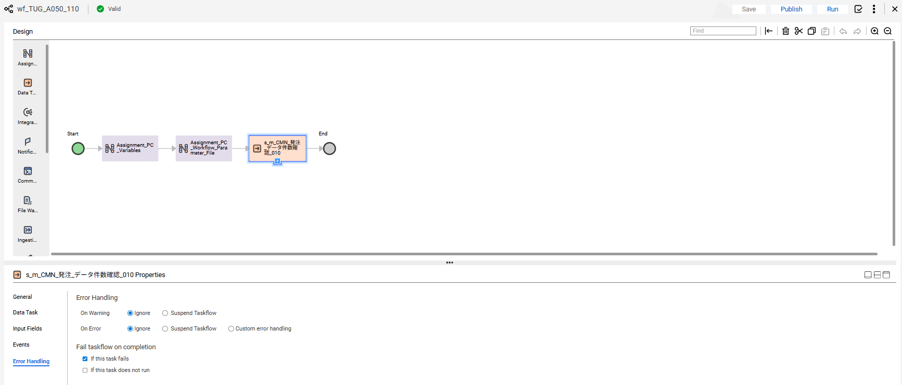

No.52 OK

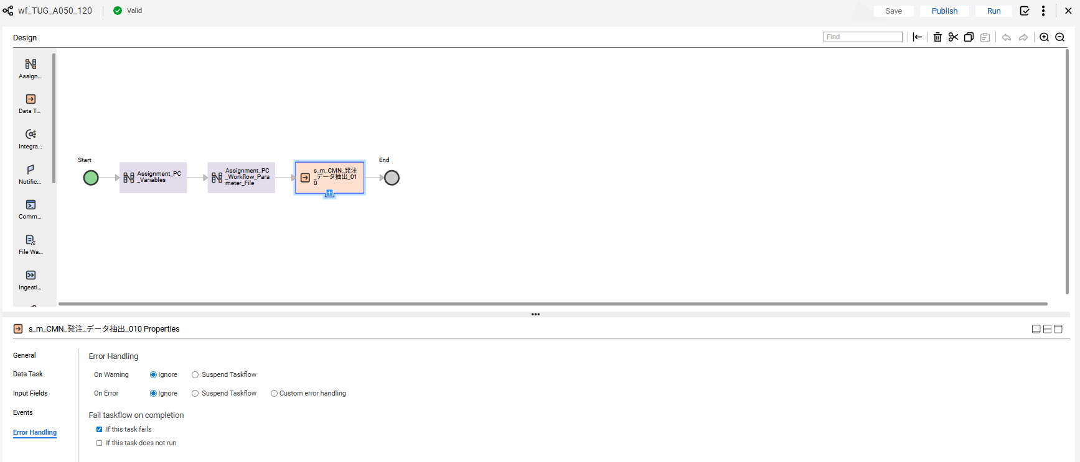

No.53 OK

END

異常終了_Abnormal
No.22

 | 前提条件 /Prerequisite

 | SELECT * FROM J_EDI_SND_DB_HAC a
 | WHERE a.DATA_KOKAN_ID = '000086'
 | AND a.EDI_KINO_CATEGORY_CD = 'A050'
 | AND a.EDI_SND_JOKYO_SBT = '0'
 | ORDER BY SND_SEQ_NO
 | FOR UPDATE wait 60;
 | SND_SEQ_NO | DATA_KOKAN_ID | EDI_KINO_CATEGORY_CD | SUP_CD | SUP_SOSHIKI_CD | HAN_CD | HAN_SOSHIKI_CD | HAN_HOMBU_CD | HAN_GROUP_CD | HAN_HONSHITEN_CD | HAN_EIGYOSHO_CD | HAC_INP_TANTO_CD | HAC_TANTO_NM | HAC_TANTO_FAX | ITEM_CD | HAC_FUNC_SBT | EDI_TRHK_JKN_NO | EDI_KEIYAKU_NO | EDI_TEKIYO_START_YMD | EDI_MK_TORIHIKI_KBN | EDI_MK_HACSHA_CD_SND | EDI_MK_JUC_CD_SND | EDI_MK_PAY_CD_SND | EDI_MK_SOSHIKI_CD | HAC_NO | HAC_GYO_NO | JUC_YMD | EDI_MK_JUC_NO | EDI_MK_JUC_GYO_NO | EDI_HAN_CHUMON_NO | EDI_MK_ATUKAITEN_CD | EDI_MK_JUYOKA_CD_SND | EDI_MK_JUYOKA_CD | EDI_MK_JUYOKA_NMK | EDI_MK_JUYOKA_NM | EDI_MK_JUYOKA_SHITEN_NM | EDI_MK_JUYOKA_ADDR1_KANJI | EDI_MK_JUYOKA_ADDR2_KANJI | EDI_MK_NIJITEN_CD_SND | EDI_MK_NIJITEN_CD | EDI_MK_NIJITEN_NMK | EDI_MK_NIJITEN_NM | EDI_MK_SANJITEN_CD_SND | EDI_MK_SANJITEN_CD | EDI_MK_SANJITEN_NMK | EDI_MK_SANJITEN_NM | EDI_MK_NNY_CD_SND | EDI_MK_NNY_CD | EDI_MK_NNY_NMK | EDI_MK_NNY_NM | EDI_MK_NNY_ADDRK | EDI_MK_NNY_ADDR | EDI_MK_NNY_SHISHA_NMK | EDI_MK_NNY_SHISHA_NM | EDI_MK_NNY_TODOFUKEN | EDI_MK_NNY_ADDR1 | EDI_MK_NNY_ADDR2 | EDI_MK_NNY_ZIP | EDI_MK_NNY_TEL | EDI_MK_NNY_FAX | EDI_MK_NNY_CHIKU_CD | KIBO_NOKI | HAC_SU | HAC_TANK | HAC_GAKU | EDI_KOSU | URI_TANK | URI_GAKU | SIR_UNIT_CD | EDI_MK_SIR_TANK | EDI_KOSEN_KBN | EDI_KOSEN_TANK | EDI_MK_ITEM_CD | EDI_MK_ITEM_NMK | EDI_MK_ITEM_NM_KANJI | EDI_HINSHU_CD | EDI_HINSHU_SUB_CD | EDI_ITEM_NM_TSUIKI | EDI_GRADE | EDI_COLOR_NO | EDI_YORYO_CD | EDI_YORYO | EDI_JUC_SU_UNIT_CD | EDI_MK_SU_UNIT_CD | EDI_MK_SU_UNIT_NM | EDI_MK_TANK_UNIT_CD | EDI_MK_TANK_UNIT_NM | EDI_MK_NISUGATA_CD | EDI_MK_NISUGATA_NM | EDI_MK_NISUGATA_NMK | EDI_NONYU_COMMENT | EDI_HAC_COMMENT | EDI_NOHIN_COMMENT | EDI_NOTE | EDI_TOKKI_JIKO | EDI_HAISO_SHIJI | EDI_RENRAKU_JIKO | EDI_NONYU_YOKEN | EDI_MK_INF | EDI_MK_JUC_INF | EDI_MK_UKEWATASHI_JOKEN_CD | EDI_KESSAI_JOKEN | EDI_KINKYU_ORDER_CD | EDI_YUSO_BIN_CD | EDI_RENRAKU_ZUMI_CD | EDI_NONYU_KIBO_TM_CD | EDI_NONYU_KIBO_TM_NM | EDI_NONYU_KIBO_TM_JOKEN_CD | EDI_LOT_NO_JOKEN_CD | EDI_LOT_KBN | EDI_LOT_NO | EDI_MK_DOM_EXP_KBN | EDI_SU_KAKUTEI_KBN | EDI_TANK_KBN | EDI_KAZEI_KBN | EDI_ORDER_KBN | EDI_BUNSEKIHYO_TEMPU_UMU_KBN | EDI_YOBI | EDI_YOBI_KANJI | IK_FREE_SPACE1 | IK_FREE_SPACE2 | IK_FREE_SPACE3 | IK_FREE_SPACE4 | IK_FREE_SPACE5 | IK_FREE_SPACE6 | IK_FREE_SPACE7 | IK_FREE_SPACE8 | IK_FREE_SPACE9 | IK_FREE_SPACE10 | ZENKAI_SND_DATA | REG_YMD | MOD_YMD | HAC_INP_TM | HAC_MOD_TM | EDI_SND_JOKYO_SBT | SND_DT | SND_DATA_DEL_KBN | FUNC_UKETSUKE_NO | AITE_SAKI_BETSU_DATA | DEL_KBN | CREATE_DT | CREATE_USR | CREATE_FUNC | NEW_UPDATE_DT | NEW_UPDATE_USR | NEW_UPDATE_FUNC | UPDATE_CNT
 | S100053680 | 000086 | A050 | 0000860009 | 14103 | 0006340001 | 14103 | 14 | 1 | 5 | 50 | 08024 |  |  | 0000029840 | 1 | 815791 | 815791 | 20110322 |  | 0369B |  | 0369B | ﾁ7ｻ | B0034455 | 1 | 20110506 |  |  |  |  | CI94A | CI94A |  | ■■化■■業■ |  |  |  | 8359C | 8359C |  | ■■井■■ |  |  |  |  |  | 9773A |  | ■■化■■ ■■井■■ |  | ■■県■■井■■幸■■－■■２■ |  |  |  |  |  | 11611 | 1161111121 |  |  | 20110511 | 300 | 349 | 104700 | 12 | 356.25 | 106875 | KG | 0 |  | 0 | SANC-I-D | XXNXX XX-XX |  |  |  | XXDXX2XX5X | 52485Z | 52485Z |  | 25 |  | 2 | キログラム | 2 |  | 11 | １１ 紙袋 |  |  | 午前着希望 |  |  |  |  |  |  |  |  | 1 |  | N |  |  |  |  |  |  | 1 |  |  |  |  |  |  |  |  |  |  |  |  |  |  |  |  |  |  |  |  | 20110506 |  | 093746 |  | 0 |  |  | 631201 | JPCA0102S151010191300011050483200000115101250728182359 0369B 0369B 815791 000000B0034455011105060937 午前着希望 0000000000000000 XXNXX XX-XX CI94A ■■化■■業■ 8359C ■■井■■ 000000000000 000000 0000000000000 00000000000000000000000000 000000000000000000000000009773A ■■化■■ ■■井■■ ■■県■■井■■幸■■－■■２■ 11611 1161111121 1105110000 000000 | 0 | 2011/05/06 09:37:46 | 08024 | SAAW0701Scrn02_ＯＫ_BL | 2025/07/28 | EDI | A050_J031 | 1
 | S100053683 | 000086 | A050 | 0000860009 | 14103 | 0006340001 | 14103 | 14 | 1 | 5 | 50 | 08024 |  |  | 0000029840 | 1 | 815791 | 815791 | 20110322 |  | 0369B |  | 0369B | ﾁ7ｻ | B0034459 | 1 | 20110506 |  |  |  |  | CI94A | CI94A |  | ■■化■■業■ |  |  |  | 8359C | 8359C |  | ■■井■■ |  |  |  |  |  | AUJ1A |  | ■■化■■業■ |  | ■■県■■市■■２■■－■ |  |  |  |  |  | 11411 | 1161141131 |  |  | 20110511 | 300 | 349 | 104700 | 12 | 356.25 | 106875 | KG | 0 |  | 0 | SANC-I-D | XXNXX XX-XX |  |  |  | XXDXX2XX5X | 52485Z | 52485Z |  | 25 |  | 2 | キログラム | 2 |  | 11 | １１ 紙袋 |  |  | 午前着希望 |  |  |  |  |  |  |  |  | 1 |  | N |  |  |  |  |  |  | 1 |  |  |  |  |  |  |  |  |  |  |  |  |  |  |  |  |  |  |  |  | 20110506 |  | 093918 |  | 0 |  |  | 631201 | JPCA0102S151010191300011050483200000115101250728182359 0369B 0369B 815791 000000B0034459011105060939 午前着希望 0000000000000000 XXNXX XX-XX CI94A ■■化■■業■ 8359C ■■井■■ 000000000000 000000 0000000000000 00000000000000000000000000 00000000000000000000000000AUJ1A ■■化■■業■ ■■県■■市■■２■■－■ 11411 1161141131 1105110000 000000 | 0 | 2011/05/06 09:39:18 | 08024 | SAAW0701Scrn02_ＯＫ_BL | 2025/07/28 | EDI | A050_J031 | 1
 | S100053684 | 000086 | A050 | 0000860009 | 14103 | 0006340001 | 14103 | 14 | 1 | 5 | 50 | 08024 |  |  | 0000029561 | 1 | 837647 | 837647 | 20110322 |  | 0369B |  | 0369B | ﾁ7ｻ | B003445C | 1 | 20110506 |  |  |  |  | CI94A | CI94A |  | ■■化■■業■ |  |  |  | 8359C | 8359C |  | ■■井■■ |  |  |  |  |  | AUJ1A |  | ■■化■■業■ |  | ■■県■■市■■２■■－■ |  |  |  |  |  | 11411 | 1161141131 |  |  | 20110513 | 450 | 418 | 188100 | 18 | 427.5 | 192375 | KG | 0 |  | 0 | V1-250E-3 | XXXXX5XX XX |  |  |  | XX XX8XXZ | 10802Z | 10802Z |  | 25 |  | 2 | キログラム | 2 |  | 11 | １１ 紙袋 |  |  |  |  |  |  |  |  |  |  |  | 1 |  | N |  |  |  |  |  |  | 1 |  |  |  |  |  |  |  |  |  |  |  |  |  |  |  |  |  |  |  |  | 20110506 |  | 094028 |  | 0 |  |  | 631201 | JPCA0102S151010191300011050483200000115101250728182359 0369B 0369B 837647 000000B003445C011105060940 0000000000000000 XXXXX5XX XX CI94A ■■化■■業■ 8359C ■■井■■ 000000000000 000000 0000000000000 00000000000000000000000000 00000000000000000000000000AUJ1A ■■化■■業■ ■■県■■市■■２■■－■ 11411 1161141131 1105130000 000000 | 0 | 2011/05/06 09:40:28 | 08024 | SAAW0701Scrn02_ＯＫ_BL | 2025/07/28 | EDI | A050_J031 | 1
 | S100053716 | 000086 | A050 | 0000860009 | 14103 | 0046170002 | 14303 | 14 | 7 | 5 | 50 | 08024 |  |  | 0000029394 | 1 | 870089 | 870089 | 20110401 |  | 0369B |  | 0369B | ﾁ7ｻ | B00344A2 | 1 | 20110506 |  |  | 0Y349333 |  | IG98D | IG98D |  | ■■モ■■穂■■第■■場 |  |  |  |  |  |  |  |  |  |  |  |  | VM77A |  | ■■ノ■■㈱■■橋■■ |  | ■■県■■市■■相■■９■ |  |  |  |  |  | 11111 | 1131121161 |  |  | 20110516 | 25 | 352 | 8800 | 1 | 367 | 9175 | KG | 0 |  | 0 | XT01CP | XX XX |  |  |  | XX0XX0 | 920100 | 920100 |  | 25 |  | 2 | キログラム | 2 |  | 11 | １１ 紙袋 |  |  |  |  |  |  |  |  |  |  |  | 1 |  | N |  |  |  |  |  |  | 1 |  |  |  |  |  |  |  |  |  |  |  |  |  |  |  |  |  |  |  |  | 20110506 |  | 102943 |  | 0 |  |  | 631201 | JPCA0102S151010191300011050483200000115101250728182359 0369B 0369B 870089 000000B00344A2011105061029 0000000000000000 XX XX IG98D ■■モ■■穂■■第■■場 0Y349333 000000000000 000000 0000000000000 00000000000000000000000000 00000000000000000000000000VM77A ■■ノ■■㈱■■橋■■ ■■県■■市■■相■■９■ 11111 1131121161 1105160000 000000 | 0 | 2011/05/06 10:29:43 | 08024 | SAAW0701Scrn02_ＯＫ_BL | 2025/07/28 | EDI | A050_J031 | 1
 | S100053720 | 000086 | A050 | 0000860004 | 14102 | 0021620012 | 14102 | 14 | 1 | 7 | 30 | 92027 |  | 0525713911 | 0000029334 | 1 | 905100 | 905100 | 20110201 |  | 0369A |  | 0369A | ﾁ7ｻ | B00344AE | 1 | 20110506 |  |  | 2258338 |  | 8878A | 8878A |  | ■■ザ■■工 |  |  |  | 2627C | 2627C |  | ■■商■■大■■店 |  |  |  |  |  | 8878A |  | ■■ザ■■工 |  | ■■県■■部■■輪■■８■■ |  |  |  |  |  | 11211 | 1161111121 |  |  | 20110523 | 800 | 510 | 408000 | 32 | 520.48 | 416384 | KG | 0 |  | 0 | F5350D1N | XXSXX5XX0XX1 |  |  |  | XX XX |  | N |  | 25 |  | 2 | キログラム | 2 |  | 11 | １１ 紙袋 |  |  |  |  |  |  |  |  |  |  |  | 1 |  | N |  |  |  |  |  |  | 1 |  |  |  |  |  |  |  |  |  |  |  |  |  |  |  |  |  |  |  |  | 20110506 |  | 103739 |  | 0 |  |  | 631201 | JPCA0102S151010191300011050483200000115101250728182359 0369A 0369A 905100 000000B00344AE011105061037 0000000000000000 XXSXX5XX0XX1 8878A ■■ザ■■工 2258338 2627C ■■商■■大■■店 000000000000 000000 0000000000000 00000000000000000000000000 000000000000000000000000008878A ■■ザ■■工 ■■県■■部■■輪■■８■■ 11211 1161111121 1105230000 000000 | 0 | 2011/05/06 10:37:39 | 92027 | SAAW0701Scrn02_ＯＫ_BL | 2025/07/28 | EDI | A050_J031 | 1
 | S100053733 | 000086 | A050 | 0000860001 | 14301 | 0081450001 | 14301 | 14 | 3 | 3 | 10 | 04010 |  |  | 0000029521 | 1 | 606430 | 606430 | 20110310 |  | 0369C |  | 0369C | ﾁ6ｻ | B00344D4 | 1 | 20110506 |  |  | IS0501 |  | DY86A | DY86A |  | ■■化■■業■ |  |  |  |  |  |  |  |  |  |  |  |  | LJ32A |  | ■■化■■ |  | ■■県■■山■■石■■今■■１■■ |  |  |  |  |  | 11911 | 1131131151 |  |  | 20110512 | 600 | 444 | 266400 | 24 | 505 | 303000 | KG | 0 |  | 0 | 330 | XXSXX3X |  |  |  | XX0XX0 | STD | MH0850 |  | 25 |  | 2 | キログラム | 2 |  | 11 | １１ 紙袋 |  |  |  |  |  |  |  |  |  |  |  | 1 |  | N |  |  |  |  |  |  | 1 |  |  |  |  |  |  |  |  |  |  |  |  |  |  |  |  |  |  |  |  | 20110506 |  | 105700 |  | 0 |  |  | 631201 | JPCA0102S151010191300011050483200000115101250728182359 0369C 0369C 606430 000000B00344D4011105061057 0000000000000000 XXSXX3X DY86A ■■化■■業■ IS0501 000000000000 000000 0000000000000 00000000000000000000000000 00000000000000000000000000LJ32A ■■化■■ ■■県■■山■■石■■今■■１■■ 11911 1131131151 1105120000 000000 | 0 | 2011/05/06 10:57:00 | 04010 | SAAW0701Scrn02_ＯＫ_BL | 2025/07/28 | EDI | A050_J031 | 1

 | 実施 /Implementation

 | ジョブネット実行 /Jobnet execution
 | Systemwalker終了コード"99"で終了 |  | /End with Systemwalker exit code "99"
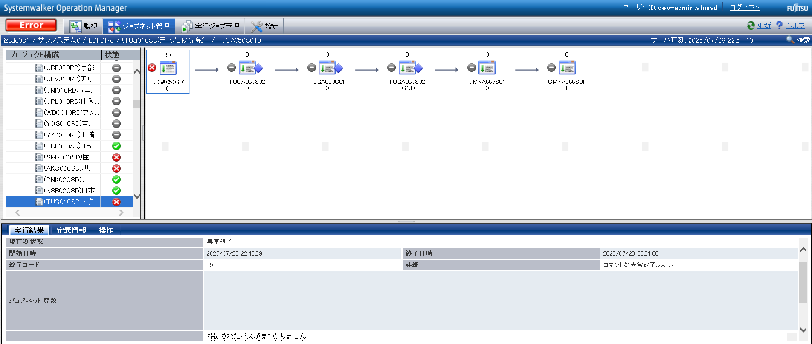

確認観点 ① /Confirmation viewpoint ①
Systemwalker終了コード"99"で終了を確認。/
Confirm termination with Systemwalker termination code "99"

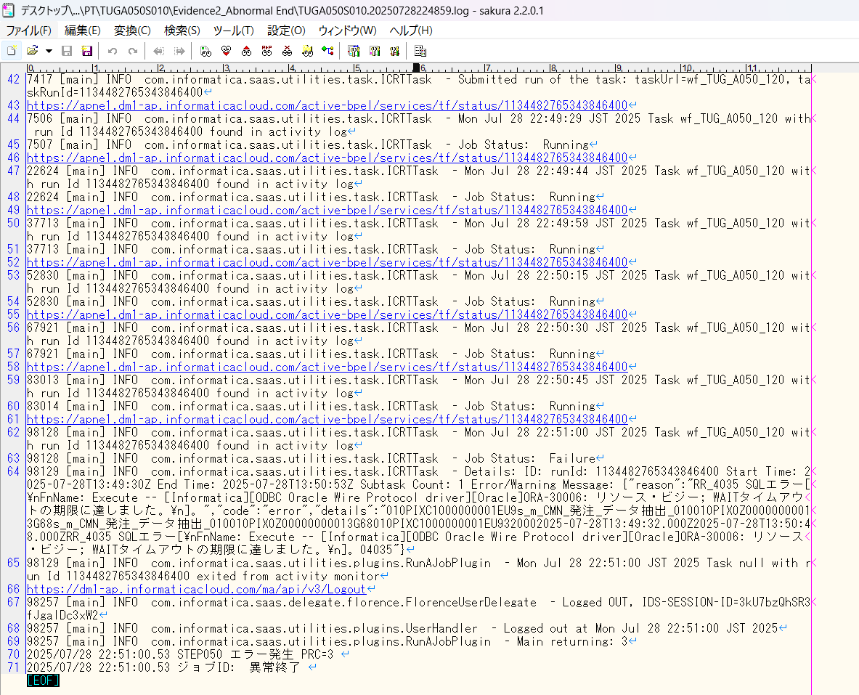

No.22 OK

END

0件_0 Data
No.21
No.31

 | 前提条件

 | SELECT * FROM J_EDI_SND_DB_HAC a
 | WHERE a.DATA_KOKAN_ID = '000086'
 | AND a.EDI_KINO_CATEGORY_CD = 'A050'
 | AND a.EDI_SND_JOKYO_SBT = '0'
 | ORDER BY SND_SEQ_NO
 | SND_SEQ_NO | KEIJO_JOKYO_SBT | ERR_SBT | SIGN_KBN | SIR_DEN_NO | DATA_KOKAN_ID | EDI_KINO_CATEGORY_CD | ERR_MSG_HININ_RIYU | SOSHIKI_CD | TANTO | REG_YMD | KEIJO_YMD | SUP_CD | RCV_SEQ_NO | EDI_SND_JOKYO_SBT | SND_DT | SND_DATA_DEL_KBN | SHUKKA_HOKOKU_NO | ITEM_CD | EDI_SHOGO_KEY | HAN_CHUMON_NO | FUNC_UKETSUKE_NO | DEL_KBN | CREATE_DT | CREATE_USR | CREATE_FUNC | NEW_UPDATE_DT | NEW_UPDATE_USR | NEW_UPDATE_FUNC | UPDATE_CNT
 | NULL | NULL | NULL | NULL | NULL | NULL | NULL | NULL | NULL | NULL | NULL | NULL | NULL | NULL | NULL | NULL | NULL | NULL | NULL | NULL | NULL | NULL | NULL | NULL | NULL | NULL | NULL | NULL | NULL | NULL

 | 実施

 | ジョブネット実行 /Jobnet execution
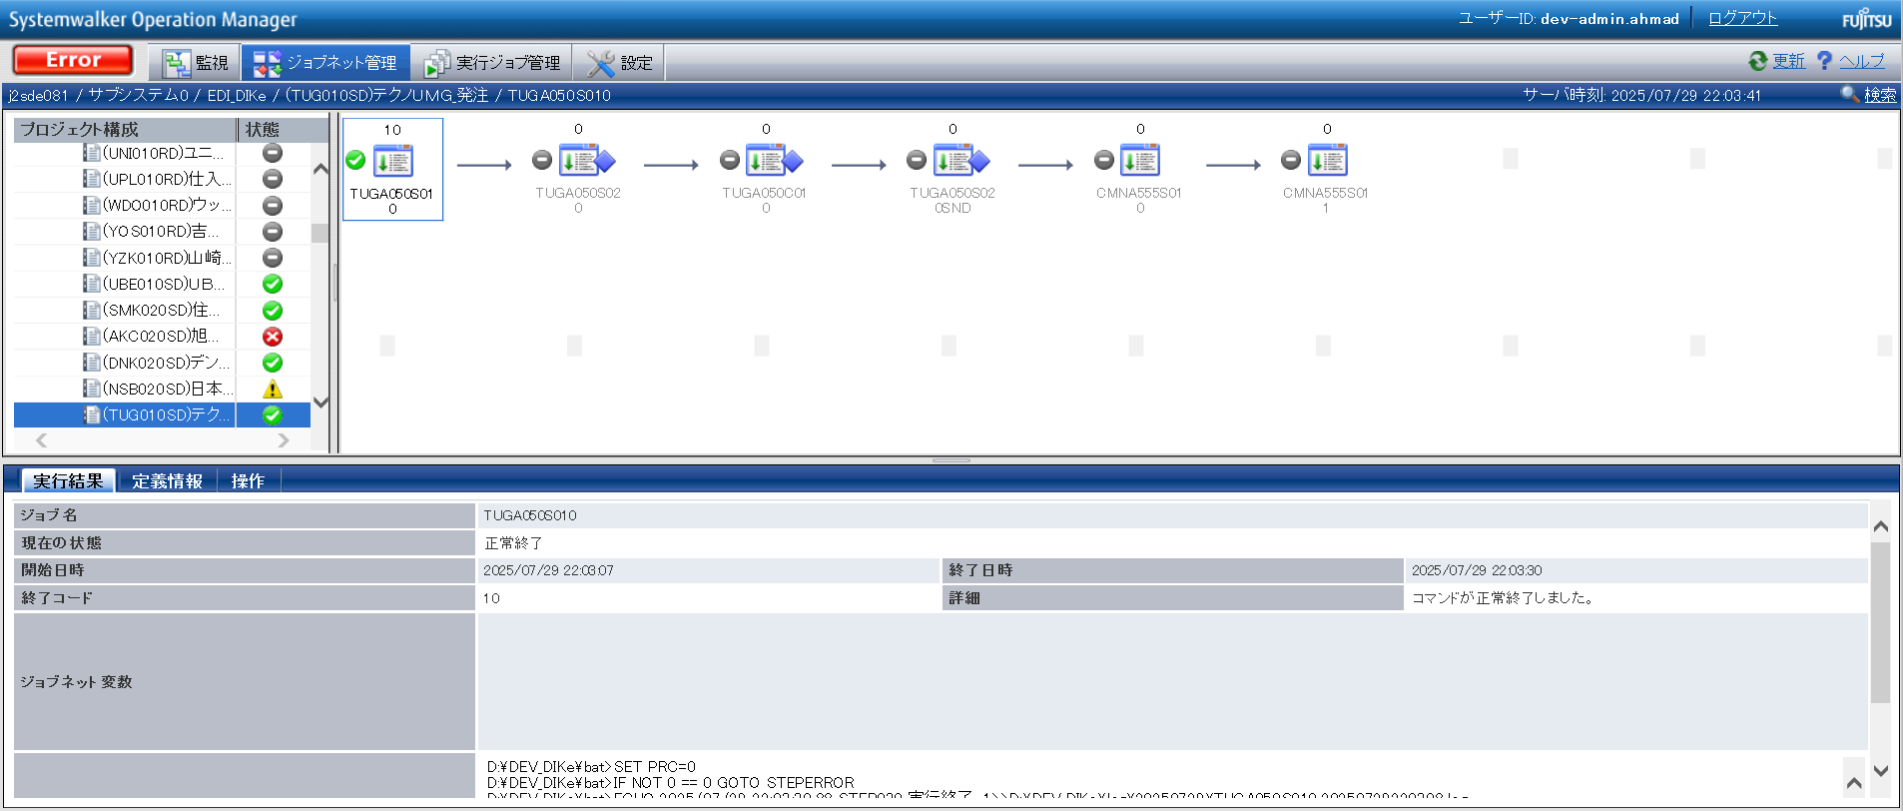

確認観点 ① /Confirmation viewpoint ①
/Systemwalker終了コード"10"で終了を確認。
/Confirmed termination with Systemwalker exit code "10".

No.21 OK

 | 件数確認ファイルが出力されていること。 ・TUGA050S01001
 | 連携ファイルが出力されていること。 ・TUGA050S02001

 | TUGA050S01001

 | TUGA050S02001

No.31 OK

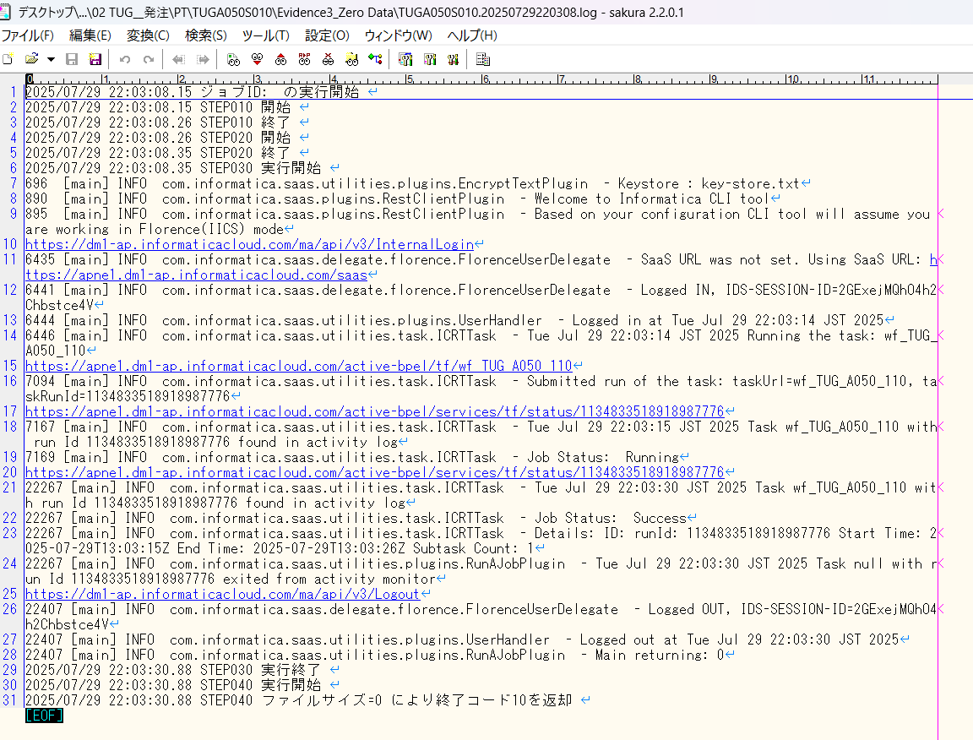

END

パーツ
No.01

 | 前提条件

 | 実施

No.01 OK

END

確認観点①
○○○○を確認。

 |  | テスト上重要な項目
 |  | 申請番号 | 海外発注番号 | 海外発注識別番号 | 仕向国コード
 | → | #N/A | #N/A | #N/A | #N/A

 |  | Comment : 青セルに取得したい項目（和名）を入力してください。HLOOKUP内の検索範囲を調整してください。※使いづらかったら使わなくてOKです。

